Sheet4
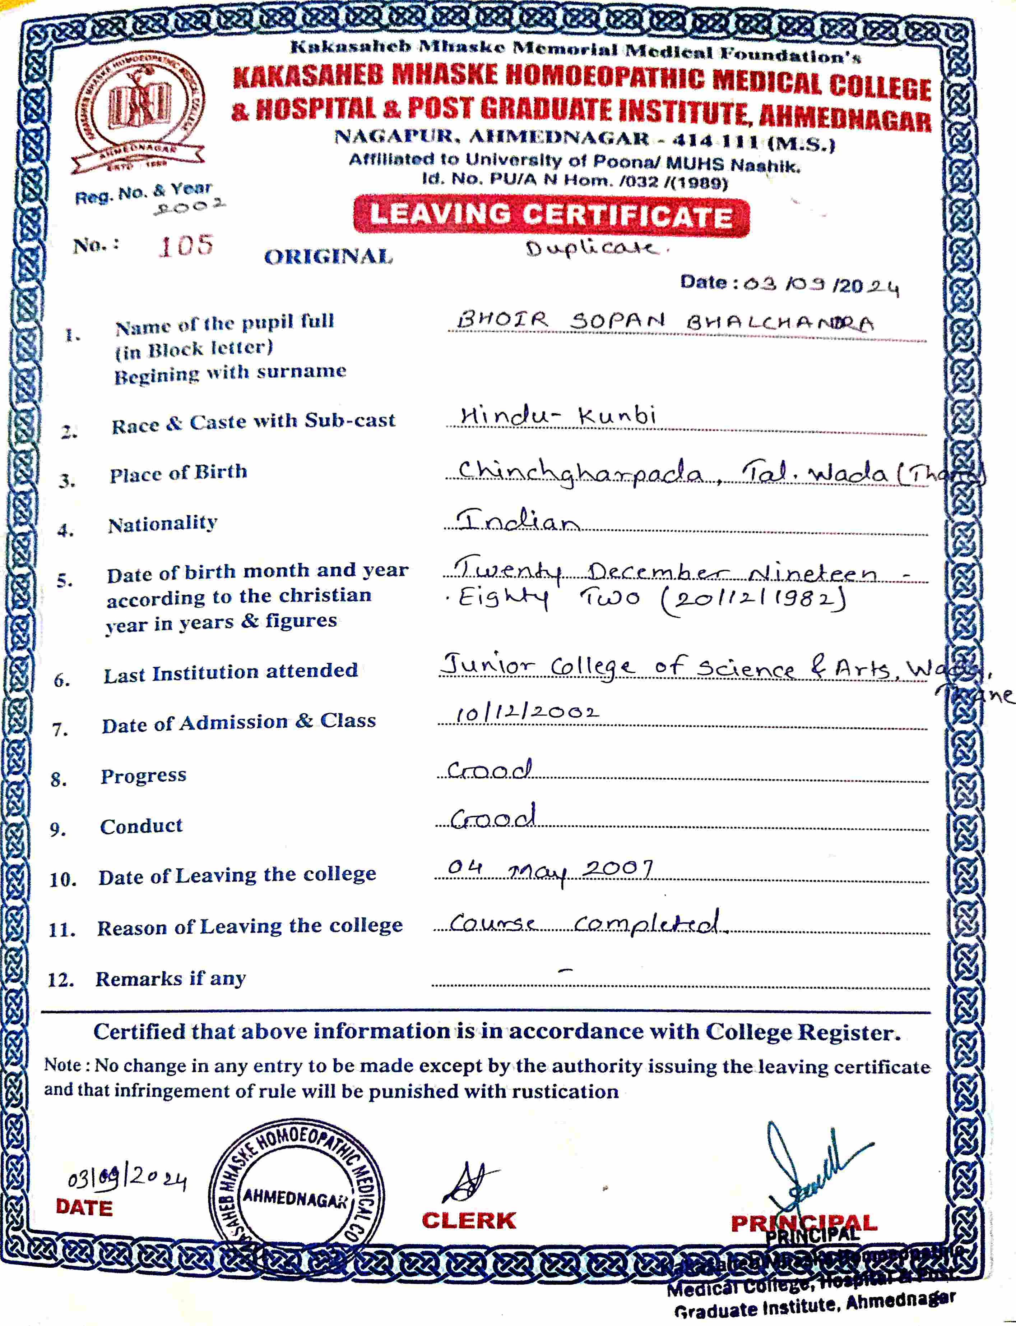
Field | Value
document_type | leaving_certificate
candidate_name | BHOIR SOPAN BHALCHANDRA
date_of_birth | 20/12/1982
address | Chinchgharpada, Tal. Wada (Thane)
taluka | Wada
district | Thane
state | Maharashtra
place_of_birth | Chinchgharpada, Tal. Wada (Thane)
nationality | Indian
roll_number | 105
last_institution_attended | Junior College of Science & Arts, Wada
date_of_admission | 10/12/2002
progress | Good
conduct | Good
date_of_leaving | 04/05/2007
reason_of_leaving | Course completed
certificate_number | 105
registration_number | 2002
issue_date | 03/09/2024
issuing_authority | Kakasaheb Mhaske Memorial Medical Foundation's Kakasaheb Mhaske Homoeopathic Medical College & Hospital & Post Graduate Institute, Ahmednagar
issuing_place | Ahmednagar

